Soil order distribution
Source: https://www.nrcs.usda.gov/wps/portal/nrcs/main/soils/survey/class/maps/ | Pair with Soil Web: https://casoilresource.lawr.ucdavis.edu/gmap/
ALFISOLS |  | ANDISOLS | ARIDOSOLS
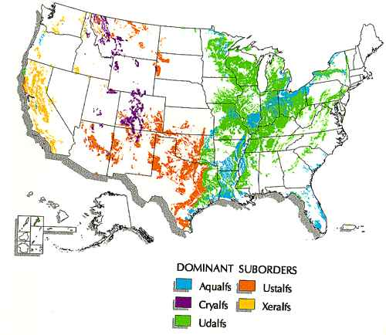
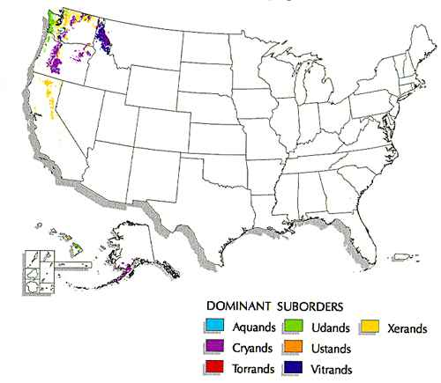
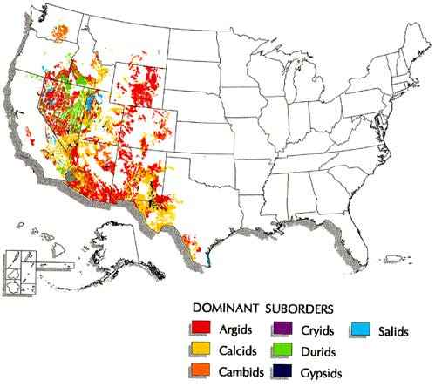

ENTISOLS
 |  | HISTOSOLS |  | INCEPTISOLS
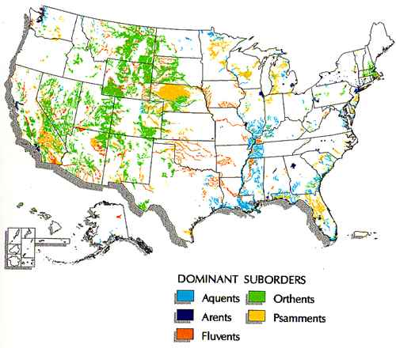
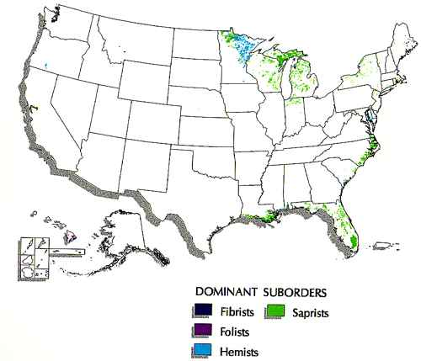
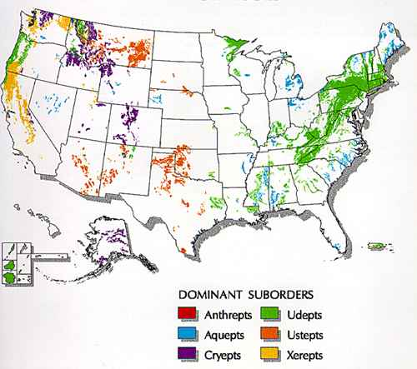

MOLLISOLS |  | SPODOSOLS |  | ULTISOLS
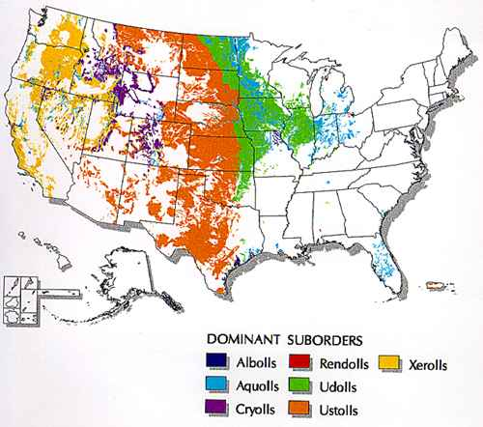
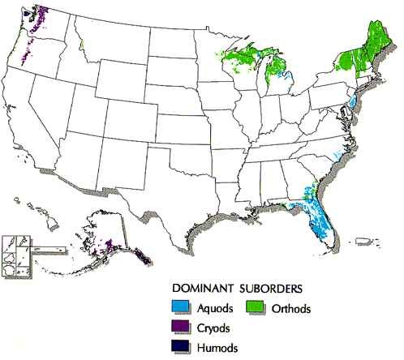
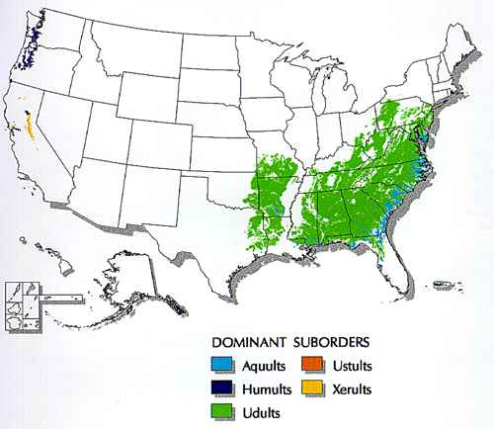

VERTISOLS
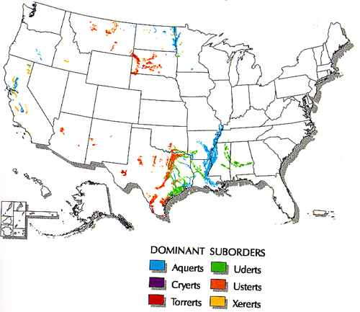
 |  | (no gelisols or oxisols)

